Table 1

Selected Acquisition Report (SAR)
RCS: DD-A&T(Q&A)823-237

Global Broadcast Service (GBS)
As of FY 2017 President's Budget
Defense Acquisition Management Information Retrieval
(DAMIR)

Table 35
Unit Cost History
Item |  |  |  |  | Date |  |  | BY 1997 $M |  |  |  |  |  | TY $M
 |  |  |  |  |  |  |  | PAUC |  |  | APUC |  |  | PAUC |  |  | APUC

Original APB |  |  | Nov 1997 |  |  |  |  | 1.305 |  |  |  | 0.431 |  |  | 1.437 |  |  | 0.463
APB as of January 2006 |  |  | Feb 2003 |  |  |  |  | 0.614 |  |  |  | 0.333 |  |  | 0.673 |  |  | 0.380
Revised Original APB |  |  | N/A |  |  |  |  | N/A |  |  |  | N/A |  |  | N/A |  |  | N/A
Prior APB |  |  | Feb 2003 |  |  |  |  | 0.614 |  |  |  | 0.333 |  |  | 0.673 |  |  | 0.380
Current APB |  |  | Sep 2006 |  |  |  |  | 0.643 |  |  |  | 0.333 |  |  | 0.707 |  |  | 0.380
Prior Annual SAR |  |  | Dec 2014 |  |  |  |  | 0.468 |  |  |  | 0.291 |  |  | 0.544 |  |  | 0.360
Current Estimate |  |  | Dec 2015 |  |  |  |  | 0.475 |  |  |  | 0.299 |  |  | 0.555 |  |  | 0.372
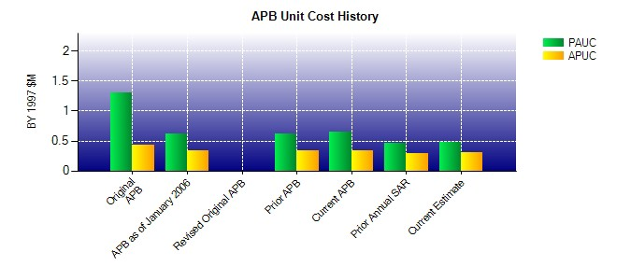
SAR Unit Cost History
Current SAR Baseline to Current Estimate (TY $M)
Initial PAUC Development Estimate | Changes |  |  |  |  |  |  |  |  |  |  |  |  |  |  | PAUC Current Estimate
 | Econ | Qty |  | Sch |  | Eng | Est |  |  | Oth | Spt |  | Total
1.437 -0.004 -0.974 0.042 0.070 -0.027 0.000 0.011 -0.882 0.555
Current SAR Baseline to Current Estimate (TY $M)
Initial APUC Development Estimate | Changes |  |  |  |  |  |  |  |  |  |  |  |  |  |  | APUC Current Estimate
 | Econ | Qty |  | Sch |  | Eng | Est |  | Oth |  | Spt |  | Total
0.463 0.003 -0.195 0.045 0.040 0.004 0.000 0.012 -0.091 0.372

